Pivot Table 1
Quarterly Sales Performance
 | close_date - Year-Quarter
 | 2017-Q4 | 2017-Q3 | 2017-Q2 | 2017-Q1 | Grand Total
COUNTA of opportunity_id | 1196 | 1257 | 1254 | 531 | 4238

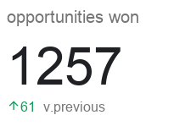
Win %

Opportunities Won by Sales Agent

